Application_Screen
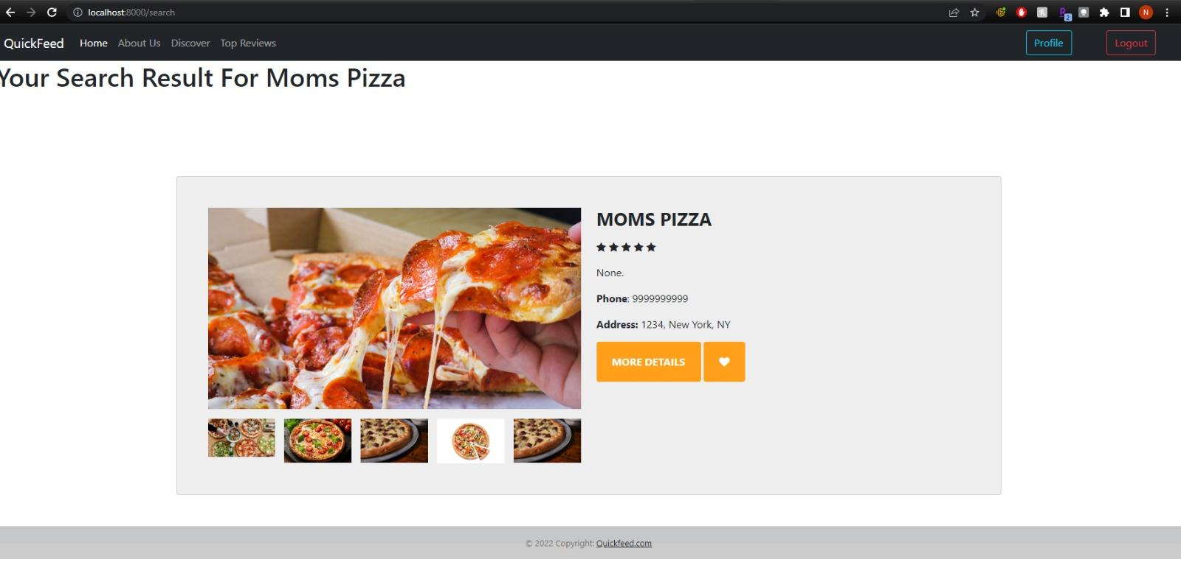

Test Case 4
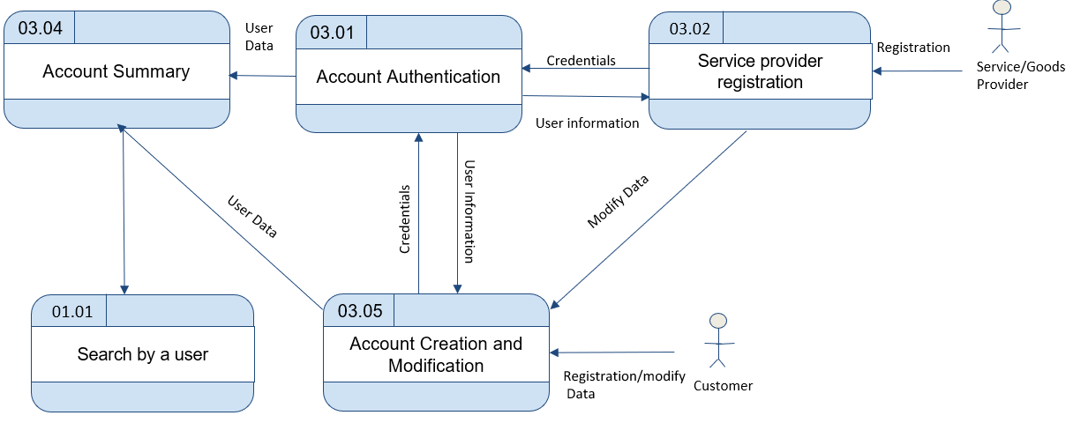
TC Title: | TC4. Search by an User - DF-In - Data Flow In

TC Objective: | This test case validates the data flows in to the Service Provider profile page from Service Provider registration data

TC Description
 | Step | Step Description | Expected Results
 | 1 | Register as a Service Provider. Try to search for a specific Service Provider by logging in as a Registered user | User should see the newly registered Service Provider name when they search for that specific service providers and access the service provider's profile page.
 | 2 | logins into his account as a Service Provider and deletes their account/Removes their name/service. Logins as a Registered User and tries to search for that specific Service Provider | User shouldn't see any results when they search for that specific service provider.

